Group rubrik
 | Group __Aspire_________ |  |  |  | Git URL __https://github.com/adeelasghar1001/NBA-Database_____

 |  | Name | Access ID | Git user | Operative System | MAC Address
 | TEAM MEMBER 1 | Adeel Asghar | ga7177 | adeelasghar1001 | Windows 10 | 46-1C-D0-5F-1E-FF
 | TEAM MEMBER 2 | Michael Chen | ev3024 | ev3024 | Windows 10 | 32-24-32-BC-7C-5D | How to Find Your MAC Address in Windows 10
 | TEAM MEMBER 3 | Bashaar Shah | gb2543 | bashaarshah | Windows 10 | 00-50-56-C0-00-08 | How to Find Your MAC Address in Mac OS X

 | Written Documentation | Earned | Weight | ONE PER TEAM
❑ | Installation instructions |  | 2 | Yes
❑ | User Manual |  | 2 | Yes
❑ | Pre-project Team Review |  | 2 | Yes
❑ | Updated Project Proposal |  | 2 | Yes
❑ | Updated Project Outline |  | 2 | Yes
❑ | Final architecture documentation |  | 2 | Yes

 | Project Components | Earned | Weight | ONE PER TEAM | TEAM MEMBER 1 | TEAM MEMBER 2 | TEAM MEMBER 3
❑ | Project runs |  | 8 | -- | 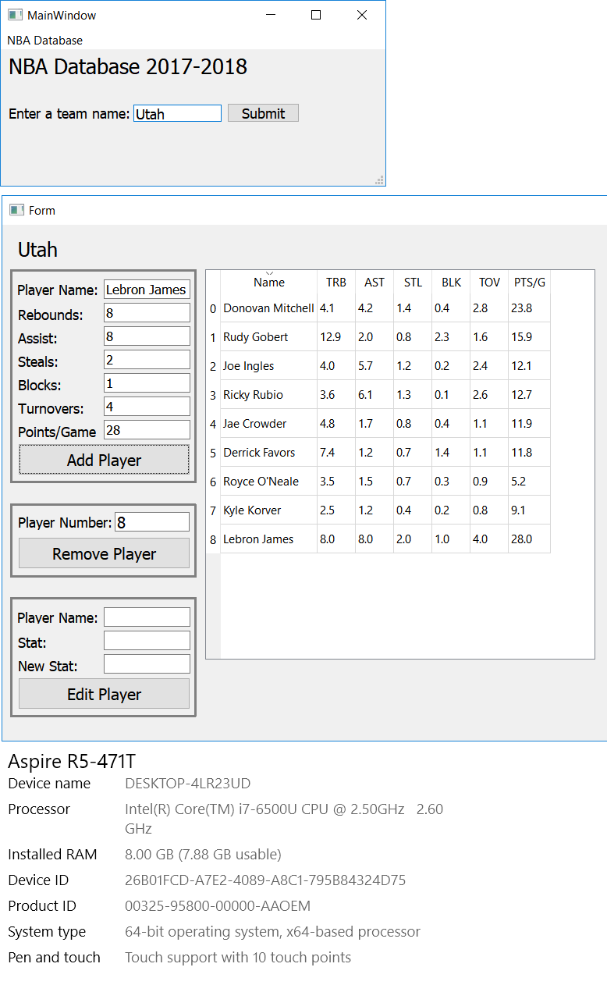 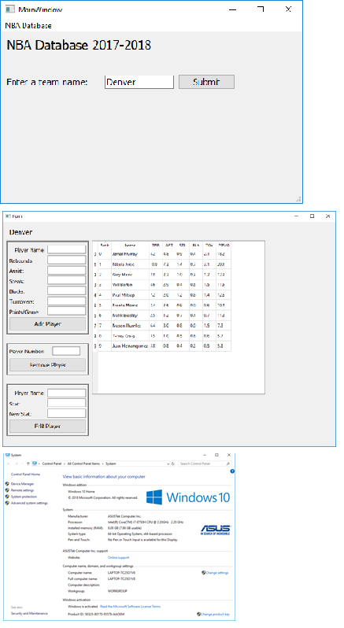 | Machine description (screenshot) | 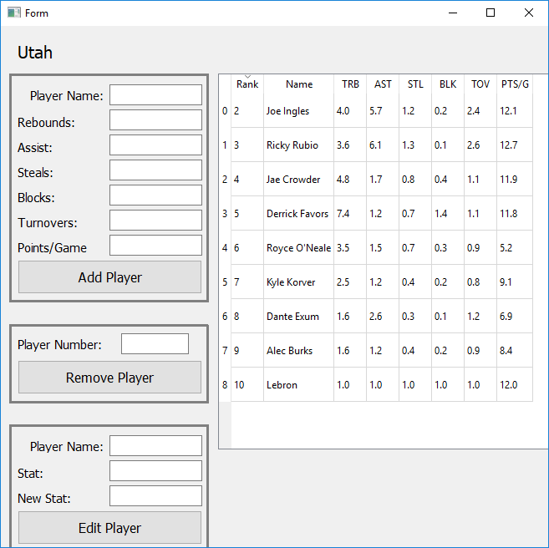 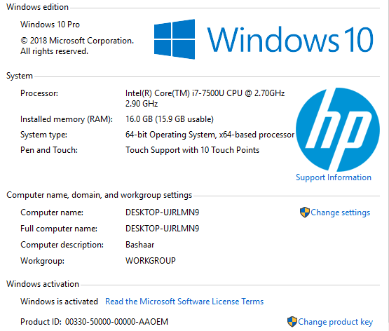 Machine description (screenshot)
❑ | Flow Control Constructs |  | 4 | -- | Control flow type, location, and purpose | Control flow type, location, and purpose | Control flow type, location, and purpose
❑ | List and Dictionaries |  | 4 | -- | Sequence type, location and purpose | Sequence type, location and purpose | Sequence type, location and purpose
❑ | User defined Functions |  | 4 | -- | openWindow, DeletePlayer, AddPlayer, EditPlayer | EditPlayer, printTeam | Function name : AddPlayer, DeletePlayer
❑ | Read or write files |  | 8 | -- | 30 Excel files pertaining to every team located in the Database file | Excel spreadsheet | 30 excel sheets, each one for eacn NBA team
❑ | Modules |  | 8 | -- | pandas, PyQt5 | xlrd, xlwt, xlutilities | pandas
❑ | Classes |  | 8 | -- | Ui_MainWindow, Ui_page2, PandasModel | Ui_MainWindow | Ui_MainWindow
❑ | Exceptions |  | 8 | -- | Try and Except when reading in the excel files to ensure app doesn't crash if file not found | Location and purpose | Location and purpose
❑ | Inheritance |  | 8 | Ui_MainWindow | -- | -- | --
❑ | Recursion |  | 8 | No recursion used | -- | -- | --

 | Team project grade | 0 | 80

 |  |  |  | 0

